Block1_Analysis
extendedPadding | resizeDimensions | randRot | colorJitter | imgPerspective | batchSize | weightDecay | learningRate | activationFunction | epochs | TrainingAcc | ValAcc | TrainingAccSD | ValAccSD | Block
TRUE | (224 | False | False | False | 16 | 0.001 | 0.001 | 0 | 50 | 0.905 | 0.85869565217 | 0.07459278233 | 0.046472952884 | 1 | ***
FALSE | (224 | False | False | False | 16 | 0.001 | 0.001 | 0 | 50 | 0.6648531012 | 0.64391304348 | 0.16157237876 | 0.13165300672 | 1

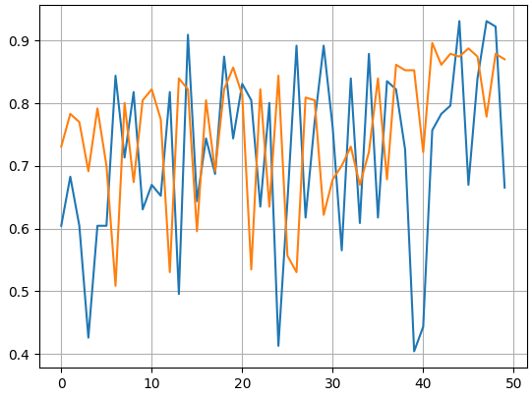
 |  |  |  |  |  |  |  |  |  |  |  |  |  |  |  | Blue - FALSE extendedPad
 |  |  |  |  |  |  |  |  |  |  |  |  |  |  |  | Orange - TRUE extendedPad

